Overview
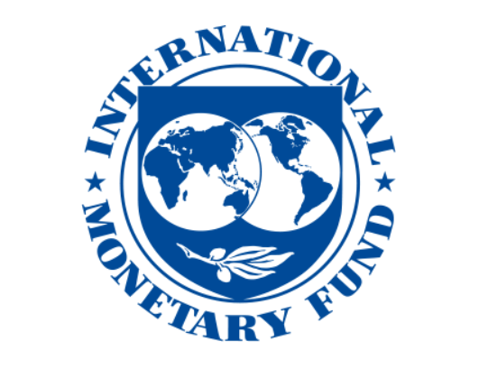
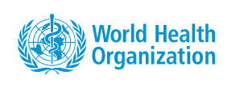
Overview
The IMF-WHO COVID-19 Vaccine Supply Tracker is a comprehensive database jointly established by the IMF and WHO to track the number of vaccine doses secured by countries and areas through different channels, including bilateral agreements with manufacturers, donations from other countries, multilateral agreements through the COVAX Facility, the World Bank Group (WBG), Asian Development Bank (ADB) or other institutions/sources.
This database draws information from the public domain, COVAX Global Vaccine Market Assessment, the United Nations Children’s Fund (UNICEF), Duke Global Health Innovation Center, Airfinity, Our World in Data, the World Bank Group, the Asian Development Bank, and African Vaccine Acquisition Task Team (AVATT).
This data is preliminary and will be subject to revisions in collaboration with countries, suppliers, immunization, health and financing partners. This tracker is updated every week to reflect latest developments.
For additional information or inquiries, please contact vaccinetracker@imf.org.

Notes
Sheet supply_tracker:
Data is presented in both millions of courses and percent of population. One course is defined as vaccine coverage for one person. Specifically, for vaccines that require two doses, 2 doses = 1 course. For vaccines that require only one dose, 1 dose = 1 course.
Category "Other sources" includes doses secured through AVAT, COVAX dose sharing mechanism, COVAX cost sharing mechanism financed by the WB, and executed bilateral purchases financed by the WB that are not included in the bilateral agreements.
Please see the methodology note for details.
Sheet bilateral_deal:
This sheet shows all bilateral deals signed between countries and vaccine companies.
Sheet donation_delivered:
This sheet shows number of doses delivered through direct donation.

Disclaimer
The IMF and WHO accept no responsibility whatsoever for any inaccurate or incomplete information or data that may be included in this database, and expressly disclaims any liability for damages as a result of its use. The responsibility for the interpretation and use of the content lies with the user. The IMF and WHO assume no responsibility or liability for any consequence resulting directly or indirectly from any action or inaction users take based on or made in reliance on the information and data available in this database. The designations employed and the presentation of the material in this IMF-WHO COVID-19 Vaccine Supply Tracker follow exclusively the institutional style and practice of the IMF, may be at variance with those used by WHO and do not imply the expression of any opinion whatsoever on the part of WHO concerning the legal status of any country, territory, city or area or of its authorities, or concerning the delimitation of its frontiers or boundaries. Dotted and dashed lines on maps represent approximate border lines for which there may not yet be full agreement.

